Steel Calc.
Mild Steel Weight Calculator |  |  |  |  |  |  | Home

 |  |  |  |  |  |  |  |  | For Square

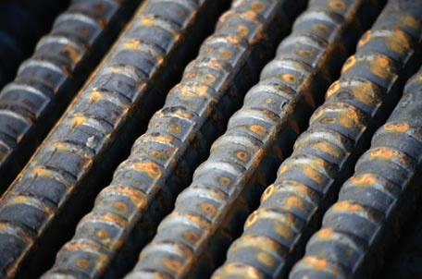
For Circular (Like Steel Bar) |  |  |  |  |  |  |  |  | Density of mild steel = 7850 Kg/m3
 |  |  |  |  |  |  |  | 3.141593
 |  | Meter | CM | MM | mm | m |  |  |  | 7850
 | Dia | 0 | 0 | 0 | 0 | 0 | 0
 | Length | 0 | 0 | 0 | 0 | 0

 |  |  |  |  |  |  | 0
 |  | 0 |  |  | Kg

 | Rate/Kg. |  | 0

Total Price |  | 0 |  |  | Rs

 |  |  |  |  |  |  | For Circular
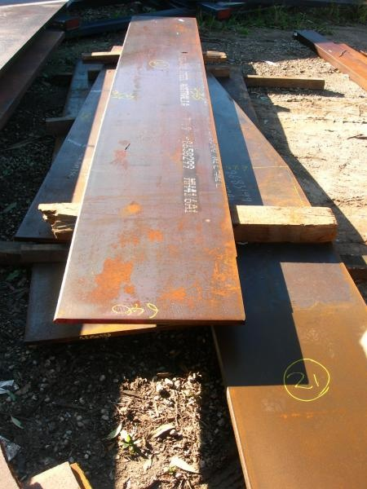
For Square( like Plates)

 |  | Meter | CM | MM | mm | mtr
 | Length | 0 | 0 | 0 | 0 | 0 |  |  | 7850
 | Width | 0 | 0 | 0 | 0 | 0
 | Thickness | 0 | 0 | 0 | 0 | 0

 |  |  |  |  |  | 0

 |  | 0 |  |  | Kg

 | Rate/Kg. |  | 0

Total Price |  | 0 |  |  | Rs

