Brick and Mortar
 |  | Brick Calculator |  |  |  |  | Home

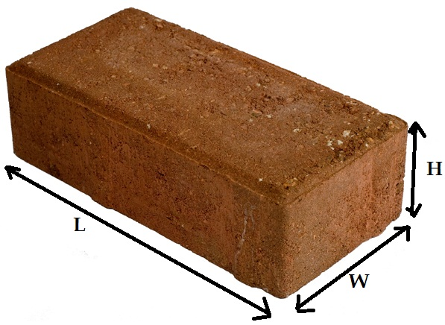
Size of Brick
 |  | MM
 | Length | 230 | 0.23
 | Width | 115 | 0.115
 | Height | 75 | 0.075
 |  |  | 1983750 | 0.00198375

 |  |  |  | 0.00198375 | 0.05 | 9.91875E-05

 |  |  |  | 0.0020829375

Wall Size
 |  | Meter | CM | MM
 | Length | 0 | 0 | 0 | 0
 | width | 0 | 0 | 0 | 0
 | Height | 0 | 0 | 0 | 0

 |  |  |  |  | 0 | 0

No. Of Bricks |  |  |  | 0

